Sheet1
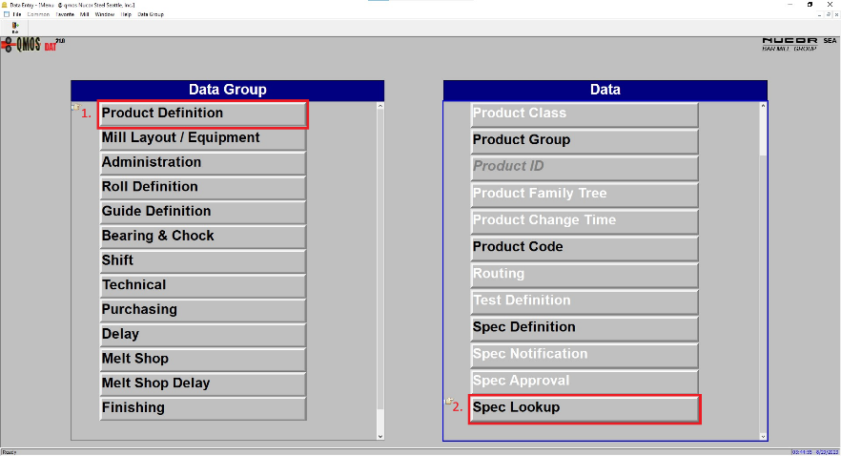
QMOS Modules Reference Sheet

Melt Shop Production [MSP]
Used to schedule and track all processes (chemistries, scheduling, billet counts, etc.) in the Melt Shop.

Heat Scheduling - This module can be accessed from PSC as well
Chem Lab
Melt Shop Confirmation - This can only be accessed from the main menu of MSP. It is located in the 'ERP' dropdown menu on the top left of the window

Heat Disposition - Used infrequently

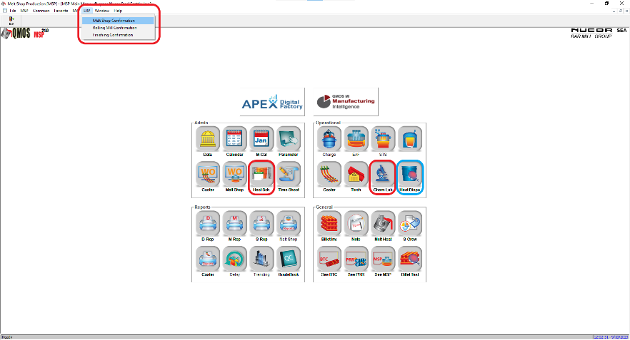

Production Scheduling and Control [PSC]
Used to track billet handling/stacking as well as Rolling Mill work orders and production.

Crane
Assign
Caster Work Order - This module can be accessed from MSP as well
Billet Inventory - This module can be accessed from MSP as well
See PRR - This module can be accessed from MSP as well
QC

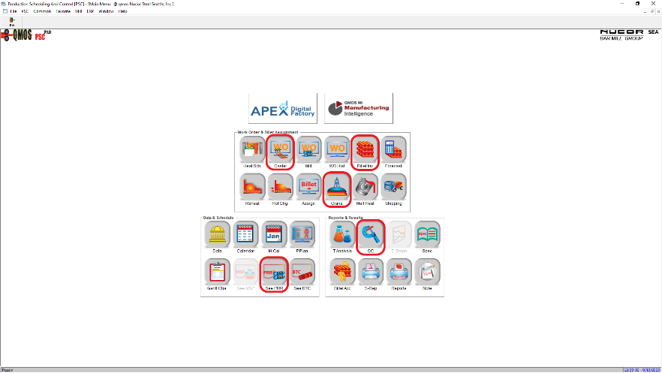

Data
Used to look up data, specifications, and metrics used throughout the mill. In the lab, we primarily use it to look up specifications for each grade of steel that we produce.

Product Definition > Spec Lookup - Product Definition is selected by default on the left side of the screen. To access the specbook, double click Spec Lookup. It is the last button on the right side of the screen.

